Flat Rate APR - Ijarah
Simulation Details
System Date | 1-Feb-24
Amount | 200,000 | Profit Start Date | 4-Feb-24
Flat Rate | 10.00% | Total Profit | 19,666.67
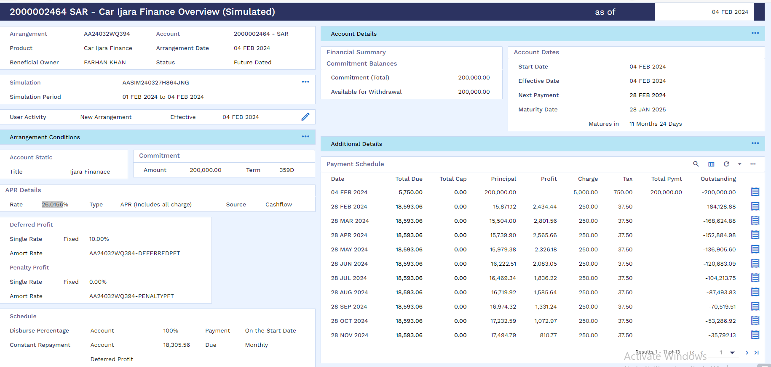
Term | 1Y | Instalment Amount | 18,593.06
1st Instalment Date | 28-Feb-24 | APR | 26.0156%
Last Intalment Date | 28-Jan-25 | IRR | 18.51%
Simulation Reference | AASIM240327H864JNG | # on Accrual Days | 359 | Arrangement

Date | Defer Date | Total Due | Total Cap | Principal | Profit | Charge | Tax | Total Pymt | Outstanding
4-Feb-24 |  | 5,750.00 | 0 | 200,000.00 |  | 5,000.00 | 750 | 200,000.00 | -200,000.00
28-Feb-24 | 24 | 18,593.06 | 18.51% | 15,871.12 | 2,434.44 | 250 | 37.5 |  | -184,128.88
28-Mar-24 | 30 | 18,593.06 | 18.51% | 15,504.00 | 2,801.56 | 250 | 37.5 |  | -168,624.88
28-Apr-24 | 30 | 18,593.06 | 18.51% | 15,739.90 | 2,565.66 | 250 | 37.5 |  | -152,884.98
28-May-24 | 30 | 18,593.06 | 18.51% | 15,979.38 | 2,326.18 | 250 | 37.5 |  | -136,905.60
28-Jun-24 | 30 | 18,593.06 | 18.51% | 16,222.51 | 2,083.05 | 250 | 37.5 |  | -120,683.09
28-Jul-24 | 30 | 18,593.06 | 18.51% | 16,469.34 | 1,836.22 | 250 | 37.5 |  | -104,213.75
28-Aug-24 | 30 | 18,593.06 | 18.51% | 16,719.92 | 1,585.64 | 250 | 37.5 |  | -87,493.83
28-Sep-24 | 30 | 18,593.06 | 18.51% | 16,974.32 | 1,331.24 | 250 | 37.5 |  | -70,519.51
28-Oct-24 | 30 | 18,593.06 | 18.51% | 17,232.59 | 1,072.97 | 250 | 37.5 |  | -53,286.92
28-Nov-24 | 30 | 18,593.06 | 18.51% | 17,494.79 | 810.77 | 250 | 37.5 |  | -35,792.13
28-Dec-24 | 30 | 18,593.06 | 18.51% | 17,760.97 | 544.59 | 250 | 37.5 |  | -18,031.16
28-Jan-25 | 30 | 18,593.01 | 18.51% | 18,031.16 | 274.35 | 250 | 37.5 |  | 0
 |  |  |  | 200,000.00 | 19,666.67 | 8,000.00 | 1,200.00 | 200,000.00

Arrangement Details
System Date | 1-Feb-24
Amount | 200,000 | Profit Start Date | 1-Feb-24
Flat Rate | 9.91% | Total Profit | 19,666.67
Term | 1Y | Instalment Amount | 18,593.06
1st Instalment Date | 28-Feb-24 | APR | 25.5487%
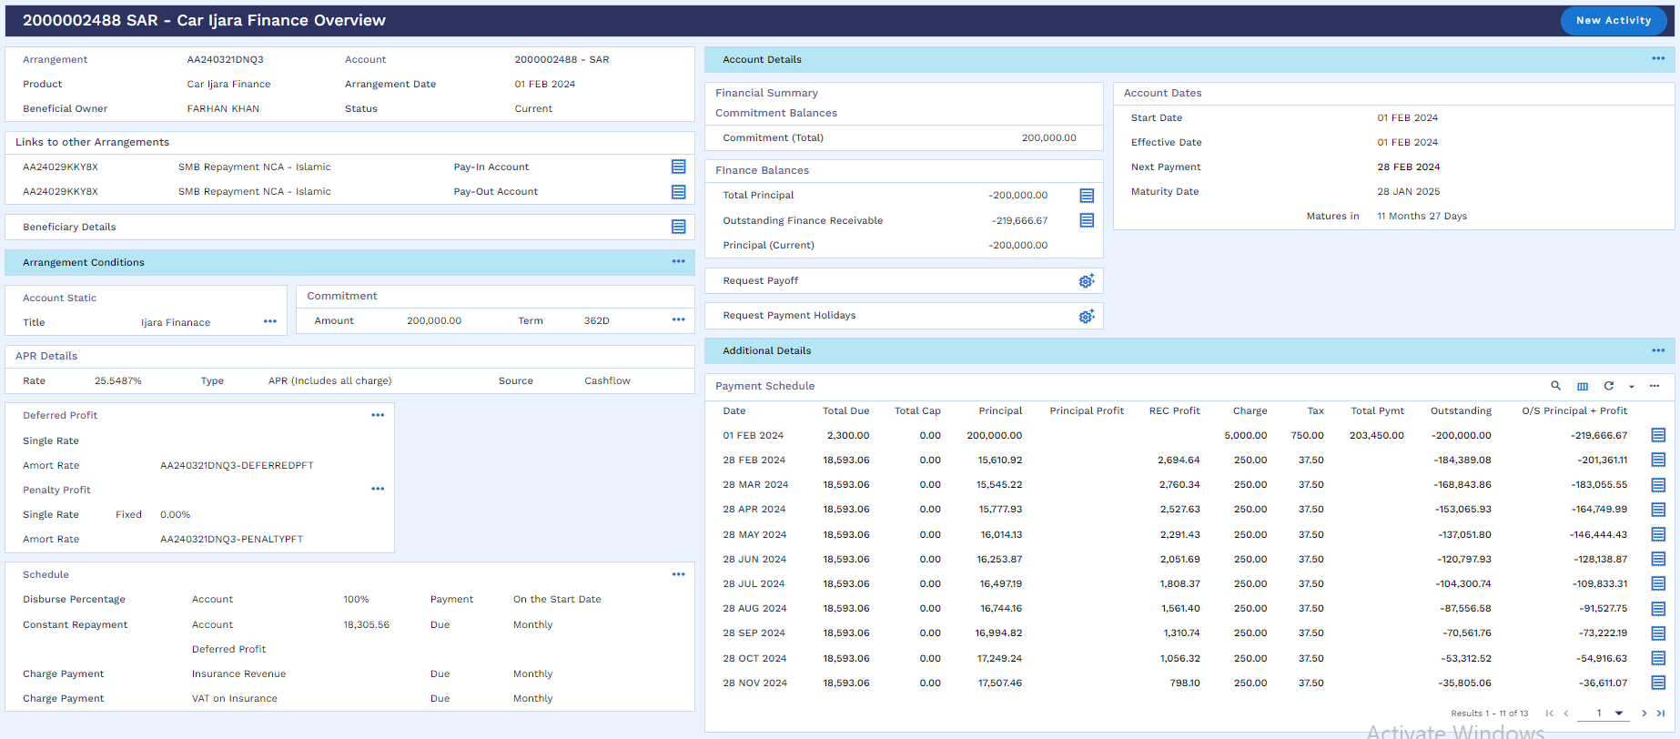
Last Intalment Date | 28-Jan-25 | IRR | 18.21%
Arrangement Reference | AA240321DNQ3 | # on Accrual Days | 362 |  | AASIM24032TC0MXHSX

Date | Defer Date | Total Due | Total Cap | Principal | Principal Profit | REC Profit | Charge | Tax | Total Pymt | Outstanding
1-Feb-24 |  | 5,750.00 | 0 | 200,000.00 |  |  | 5,000.00 | 750 | 200,000.00 | -200,000.00
28-Feb-24 | 27 | 18,593.06 | 0 | 15,610.92 | 18.21% | 2,694.64 | 250 | 37.5 |  | -184,389.08
28-Mar-24 | 30 | 18,593.06 | 0 | 15,545.22 | 18.21% | 2,760.34 | 250 | 37.5 |  | -168,843.86
28-Apr-24 | 30 | 18,593.06 | 0 | 15,777.93 | 18.21% | 2,527.63 | 250 | 37.5 |  | -153,065.93
28-May-24 | 30 | 18,593.06 | 0 | 16,014.13 | 18.21% | 2,291.43 | 250 | 37.5 |  | -137,051.80
28-Jun-24 | 30 | 18,593.06 | 0 | 16,253.87 | 18.21% | 2,051.69 | 250 | 37.5 |  | -120,797.93
28-Jul-24 | 30 | 18,593.06 | 0 | 16,497.19 | 18.21% | 1,808.37 | 250 | 37.5 |  | -104,300.74
28-Aug-24 | 30 | 18,593.06 | 0 | 16,744.16 | 18.21% | 1,561.40 | 250 | 37.5 |  | -87,556.58
28-Sep-24 | 30 | 18,593.06 | 0 | 16,994.82 | 18.21% | 1,310.74 | 250 | 37.5 |  | -70,561.76
28-Oct-24 | 30 | 18,593.06 | 0 | 17,249.24 | 18.21% | 1,056.32 | 250 | 37.5 |  | -53,312.52
28-Nov-24 | 30 | 18,593.06 | 0 | 17,507.46 | 18.21% | 798.1 | 250 | 37.5 |  | -35,805.06
28-Dec-24 | 30 | 18,593.06 | 0 | 17,769.55 | 18.21% | 536.01 | 250 | 37.5 |  | -18,035.51
28-Jan-25 | 30 | 18,593.01 | 0 | 18,035.51 | 18.21% | 270 | 250 | 37.5 |  | 0
 |  |  |  | 200,000.00 |  | 19,666.67 | 8,000.00 | 1,200.00

Variance Analysis | Offer Letter | Finance Arrangement | Difference
Profit Start Date | 4-Feb-24 | 1-Feb-24
Profit Amount | 19,666.67 | 19,666.67 | -
IRR | 18.51% | 18.21% | -0.30%
APR | 26.0156% | 25.5487% | -0.47%
Flat Rate | 10.00% | 9.91% | -0.09%

